Sheet1
EC 1582

Soybean Aphid Speed Scouting Spreadsheet
Wayne J. Ohnesorg, Extension Educator; Thomas E. Hunt, Extension Entomologist;
and Robert J. Wright, Extension Entomologist

This spreadsheet is designed to be used in the field on mobile devices, allowing the user to make management decisions immediately after scouting. Speed scouting is one method for determining whether soybean aphids have reached the treatment threshold of 250 aphids per plant. It relies on the number of "infested" plants rather than estimating the number of aphids on each plant. Plants are considered "infested" if there are 40 or more aphids on the plant. After inputting your field information, the spreadsheet will suggest the next step: "Resample in 7-10 days," "Sample 5 more plants," or "Treat, confirm in 3-4 days."

Directions
GREEN cells are for input and PINK cells are the output.
1) Pick the first plant at random at least 30 rows or paces from the edge of the field and count the aphids present. If you reach 40 aphids (you can stop counting at 40), mark the appropriate box with a "1" to signify the plant is infested. Mark it with an "0" if there are less than 40 aphids.
2) Choose the next plant in a random direction at least 30 rows or paces from the previous plant.
3) Repeat Steps 1 & 2 until the first 11 plants have been counted.
4) The Pink box will tell you if you need to resample in 7-10 days, sample more plants, or if treatment is recommended. If treatment is recommended, the field should be scouted again in 3-4 days to confirm that treatment is needed.

Estimating leaf infestation. Use these example leaves as a guide for estimating the number of soybean aphids on leaves in the field.

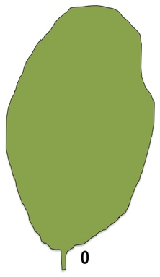
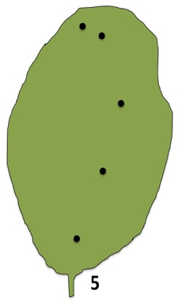
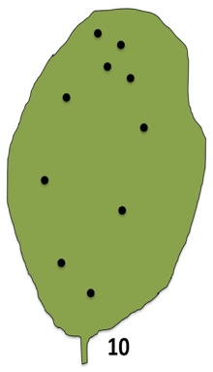
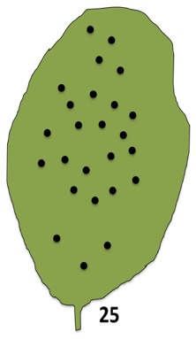
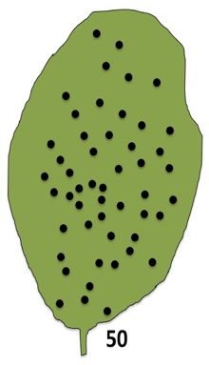
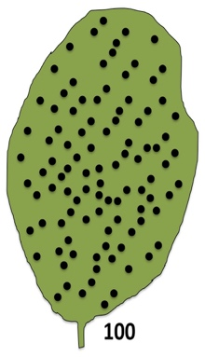

Field Name:
Date:

 |  |  |  |  |  |  |  |  |  |  |  | 0
 | 1 | 2 | 3 | 4 | 5 | 6 | 7 | 8 | 9 | 10 | 11
 |  |  |  |  |  |  |  |  |  |  |  | 0
 | 12 | 13 | 14 | 15 | 16
 |  |  |  |  |  |  |  |  |  |  |  | 0
 | 17 | 18 | 19 | 20 | 21
 |  |  |  |  |  |  |  |  |  |  |  | 0
 | 22 | 23 | 24 | 25 | 26
 |  |  |  |  |  |  |  |  |  |  |  | 0
 | 27 | 28 | 29 | 30 | 31
Date:

 |  |  |  |  |  |  |  |  |  |  |  | 0
 | 1 | 2 | 3 | 4 | 5 | 6 | 7 | 8 | 9 | 10 | 11
 |  |  |  |  |  |  |  |  |  |  |  | 0
 | 12 | 13 | 14 | 15 | 16
 |  |  |  |  |  |  |  |  |  |  |  | 0
 | 17 | 18 | 19 | 20 | 21
 |  |  |  |  |  |  |  |  |  |  |  | 0
 | 22 | 23 | 24 | 25 | 26
 |  |  |  |  |  |  |  |  |  |  |  | 0
 | 27 | 28 | 29 | 30 | 31
Date:

 |  |  |  |  |  |  |  |  |  |  |  | 0
 | 1 | 2 | 3 | 4 | 5 | 6 | 7 | 8 | 9 | 10 | 11
 |  |  |  |  |  |  |  |  |  |  |  | 0
 | 12 | 13 | 14 | 15 | 16
 |  |  |  |  |  |  |  |  |  |  |  | 0
 | 17 | 18 | 19 | 20 | 21
 |  |  |  |  |  |  |  |  |  |  |  | 0
 | 22 | 23 | 24 | 25 | 26
 |  |  |  |  |  |  |  |  |  |  |  | 0
 | 27 | 28 | 29 | 30 | 31
Date:

 |  |  |  |  |  |  |  |  |  |  |  | 0
 | 1 | 2 | 3 | 4 | 5 | 6 | 7 | 8 | 9 | 10 | 11
 |  |  |  |  |  |  |  |  |  |  |  | 0
 | 12 | 13 | 14 | 15 | 16
 |  |  |  |  |  |  |  |  |  |  |  | 0
 | 17 | 18 | 19 | 20 | 21
 |  |  |  |  |  |  |  |  |  |  |  | 0
 | 22 | 23 | 24 | 25 | 26
 |  |  |  |  |  |  |  |  |  |  |  | 0
 | 27 | 28 | 29 | 30 | 31
Date:

 |  |  |  |  |  |  |  |  |  |  |  | 0
 | 1 | 2 | 3 | 4 | 5 | 6 | 7 | 8 | 9 | 10 | 11
 |  |  |  |  |  |  |  |  |  |  |  | 0
 | 12 | 13 | 14 | 15 | 16
 |  |  |  |  |  |  |  |  |  |  |  | 0
 | 17 | 18 | 19 | 20 | 21
 |  |  |  |  |  |  |  |  |  |  |  | 0
 | 22 | 23 | 24 | 25 | 26
 |  |  |  |  |  |  |  |  |  |  |  | 0
 | 27 | 28 | 29 | 30 | 31
Date:

 |  |  |  |  |  |  |  |  |  |  |  | 0
 | 1 | 2 | 3 | 4 | 5 | 6 | 7 | 8 | 9 | 10 | 11
 |  |  |  |  |  |  |  |  |  |  |  | 0
 | 12 | 13 | 14 | 15 | 16
 |  |  |  |  |  |  |  |  |  |  |  | 0
 | 17 | 18 | 19 | 20 | 21
 |  |  |  |  |  |  |  |  |  |  |  | 0
 | 22 | 23 | 24 | 25 | 26
 |  |  |  |  |  |  |  |  |  |  |  | 0
 | 27 | 28 | 29 | 30 | 31
Date:

 |  |  |  |  |  |  |  |  |  |  |  | 0
 | 1 | 2 | 3 | 4 | 5 | 6 | 7 | 8 | 9 | 10 | 11
 |  |  |  |  |  |  |  |  |  |  |  | 0
 | 12 | 13 | 14 | 15 | 16
 |  |  |  |  |  |  |  |  |  |  |  | 0
 | 17 | 18 | 19 | 20 | 21
 |  |  |  |  |  |  |  |  |  |  |  | 0
 | 22 | 23 | 24 | 25 | 26
 |  |  |  |  |  |  |  |  |  |  |  | 0
 | 27 | 28 | 29 | 30 | 31
Date:

 |  |  |  |  |  |  |  |  |  |  |  | 0
 | 1 | 2 | 3 | 4 | 5 | 6 | 7 | 8 | 9 | 10 | 11
 |  |  |  |  |  |  |  |  |  |  |  | 0
 | 12 | 13 | 14 | 15 | 16
 |  |  |  |  |  |  |  |  |  |  |  | 0
 | 17 | 18 | 19 | 20 | 21
 |  |  |  |  |  |  |  |  |  |  |  | 0
 | 22 | 23 | 24 | 25 | 26
 |  |  |  |  |  |  |  |  |  |  |  | 0
 | 27 | 28 | 29 | 30 | 31
Date:

 |  |  |  |  |  |  |  |  |  |  |  | 0
 | 1 | 2 | 3 | 4 | 5 | 6 | 7 | 8 | 9 | 10 | 11
 |  |  |  |  |  |  |  |  |  |  |  | 0
 | 12 | 13 | 14 | 15 | 16
 |  |  |  |  |  |  |  |  |  |  |  | 0
 | 17 | 18 | 19 | 20 | 21
 |  |  |  |  |  |  |  |  |  |  |  | 0
 | 22 | 23 | 24 | 25 | 26
 |  |  |  |  |  |  |  |  |  |  |  | 0
 | 27 | 28 | 29 | 30 | 31
Date:

 |  |  |  |  |  |  |  |  |  |  |  | 0
 | 1 | 2 | 3 | 4 | 5 | 6 | 7 | 8 | 9 | 10 | 11
 |  |  |  |  |  |  |  |  |  |  |  | 0
 | 12 | 13 | 14 | 15 | 16
 |  |  |  |  |  |  |  |  |  |  |  | 0
 | 17 | 18 | 19 | 20 | 21
 |  |  |  |  |  |  |  |  |  |  |  | 0
 | 22 | 23 | 24 | 25 | 26
 |  |  |  |  |  |  |  |  |  |  |  | 0
 | 27 | 28 | 29 | 30 | 31
Date:

 |  |  |  |  |  |  |  |  |  |  |  | 0
 | 1 | 2 | 3 | 4 | 5 | 6 | 7 | 8 | 9 | 10 | 11
 |  |  |  |  |  |  |  |  |  |  |  | 0
 | 12 | 13 | 14 | 15 | 16
 |  |  |  |  |  |  |  |  |  |  |  | 0
 | 17 | 18 | 19 | 20 | 21
 |  |  |  |  |  |  |  |  |  |  |  | 0
 | 22 | 23 | 24 | 25 | 26
 |  |  |  |  |  |  |  |  |  |  |  | 0
 | 27 | 28 | 29 | 30 | 31

The information in this spreadsheet is adapted from:
Hodgson, E.W., E.C. Burkness, W.D. Hutchison, and D.W. Ragsdale. 2004. Enumerative and Binomial Sequential Sampling Plans for Soybean Aphid (Homoptera:Aphididae) in Soybean. Journal of Economic Entomology 97(6): 2127-2136. http://www.bioone.org/doi/pdf/10.1603/0022-0493-97.6.2127

© 2025, The Board of Regents of the University of Nebraska on behalf of Nebraska Extension. All rights reserved.
Nebraska Extension is a Division of the Institute of Agriculture and Natural Resources at the University of Nebraska–Lincoln cooperating with the Counties and the United States Department of Agriculture.
Nebraska Extension educational programs abide with the nondiscrimination polies of the University of Nebraska–Lincoln and the United States Department of Agriculture.

